Dashboard
Executive Dashboard

Monthly Billing Tab | Receipt Template | Available Bed Spaces | Arrears Report

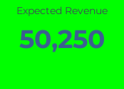
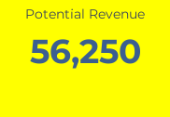
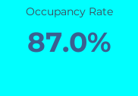
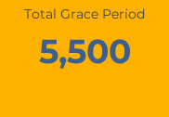
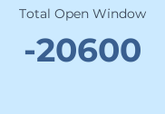
 |  | 5,500 | Total Grace Period

Occupancy Breakdown
Billing Status Breakdown

Occupancy by House/Block
Expected Revenue by House/Block

